1. Title Page
Project Name: Instacart Grocery Basket Analysis
Date: 4/14/2023
Analyst Name: Kelvin Cornish

Contents:
Population Flow
Consistency checks
Wrangling steps
Column derivations
Visualizations
Recommendations
Data Citation

2. Population Flow
Title page

Population flow

Exclusion flag
Condition: max_order < 5
Obervations to be removed: 1,440,295
Final total count of order_products_all: 30,964,564

Orders_products_combined
Orders_products_merged
Orders_products_all

Total:32,404,859
Total:32,434,489
Total: 32,404,859

1.) The grey boxes in the first row of the population flow represent the original data sets as they were when you downloaded them. In the Total fields you need to add the count of the rows when you imported the data set into Jupyter.
2.) The second row of boxes (coloured) represents the data sets after you manipulated them, e.g., removed missing values and duplicates. In the Total fields you need to add the count of the rows after conducting these operations. This offers a visual oveview of how the data flows throughout the data consistency checks.
3.) The third row, where also the arrows are coloured, represents the merges you performed between the datasets. In the Total fields you need to add the count of the rows in the merged datasets, so that you end up with the final dataset (in the red box). Keep in mind the final dataset should be without exclusions (based on the exclusion flag).

3. Consistency checks
 |  |  |  | Title page
Consistency checks

Dataset | Missing values | Missing values treatment | Duplicates
orders | None | N/A | None
products | 16 in product_name column | Records removed | 5 removed
orders_products_prior | None | N/A | None
customers | 11,259 in First Name column | Not addressed | None

4. Wrangling steps
 |  |  |  | Title page
Wrangling steps

Columns dropped | Columns renamed | Columns' type changed | Comment/Reason
 |  | order_id | Changed from int to str
 |  | user_id | Changed from int to str
eval_set |  |  | Not needed
 | order_dow |  | Name changed to orders_day_of_week
 | order_hour_of_day |  | Name changed to hour_order_was_placed
aisle_id |  |  | Not needed
 |  | date_joined | Changed to datetime
 |  | income | Changed to float
 | STATE |  | Changed to state
 | First Name |  | Changed to first_name
 | Surname |  | Changed to last_name
 | Age |  | Changed to age
 | n_dependants |  | Changed to number_of_dependants
 | fam_status |  | Changed to family_status
first_name |  |  | Drop PII data
last_name |  |  | Drop PII data

5. Column derivations
 |  |  |  | Title page

Column derivations and aggregations

Dataset | New column | Column/s it was derived from | Conditions
orders_products_merged_4-7.pkl | price_range_loc | prices | >15 or <=15 & >5 or <=5
orders_products_merged_4-7.pkl | busiest_period_of_day | hour_order_was_placed | Most orders = [10, 11, 14, 15, 13, 12, 16, 9]
 |  |  | Average orders = [17, 8, 18, 19, 20, 7, 21, 22]
 |  |  | Fewest orders = [23, 6, 0, 1, 5, 2, 4, 3]
orders_products_merged_4-8Ex.pkl | loyalty_flag | max_order | >40 or <=40 & >10 or <=10
orders_products_merged_4-8Tsk.pkl | avg_spent | user_id & prices | The mean of prices when grouped by user_id
orders_products_merged_4-8Tsk.pkl | spending_flag | avg_spent | >10 or <= 10
orders_products_merged_4-8Tsk.pkl | order_freq | user_id & days_since_prior_order | The median of days_since_prior_order when grouped by user_id
orders_products_merged_4-8Tsk.pkl | order_freq_flag | order_freq | >20 o r >10 & <= 20 or <= 10
instacart_customers_4-10.pkl | activity_flag | max_order | >5 or <=5
instacart_customers_4-10.pkl | age_category | age | >18 & <25 or >=25 & <40 or >=40 & <60 or >=60
instacart_customers_4-10.pkl | income_category | income | <52200 or >=5220 & <156600 or >=156600
instacart_customers_4-10.pkl | dependents_category | number_of_dependents | equals 0 or =1, 2 or >=3
instacart_customers_4-10.pkl | time_of_order | hour_order_was_placed | Day = [8, 9, 10, 11, 12, 13, 14, 15, 16, 17, 18]
 |  |  | Evening = [19, 20, 21, 22, 23]
 |  |  | Overnight/Early Morning = [ 0, 1, 2, 3, 4, 5, 6, 7]
instacart_customers_4-10.pkl | alcohol_purchase | department | equal 'alcohol' or !='alcohol
instacart_customers_4-10.pkl | have_baby | department | equals 'babies' or !='babies'
instacart_customers_4-10.pkl | have_pet | department | equals 'pets' or !='pets

In this tab you should add tables below that the frequences of flags/label variables that you produced after deriving them. NB: don't do this for continuous variables, only for flags.

6. Visualizations
 |  |  |  |  |  |  |  |  |  | Title page

Visualisations

KEY QUESTIONS

1. What are the busiest days of the week and hours of the day, (i.e., the days and times with the most orders) in order to schedule ads at times
when there are fewer orders.

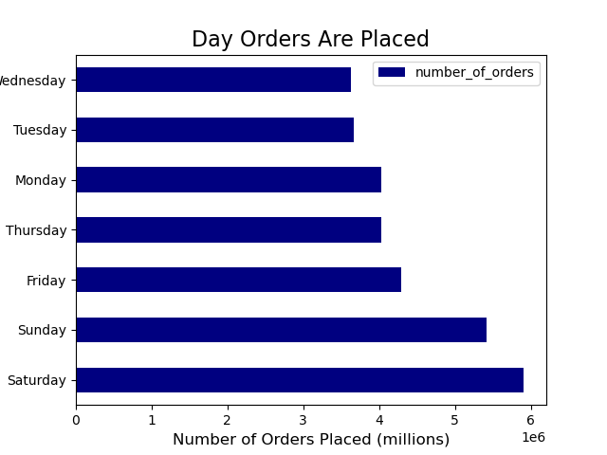

OBSERVATION: Most orders are placed on weekends (Sat, Sun, then Fri). The fewest orders are placed on Wednesday and Tuesday.

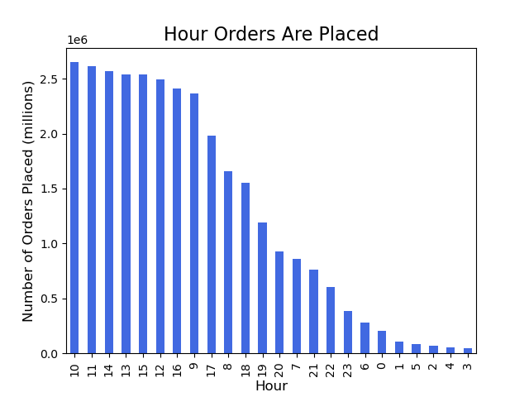

OBSERVATION: Most orders are placed in the late morning (10:00am) through early afternoon (3:00pm)

2. At what time of day do customers spend the most money?

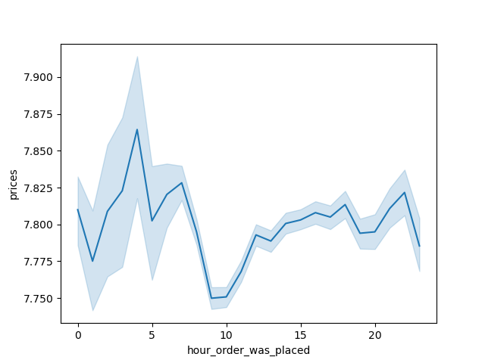

Customers purchase the most expensive items during the 4:00am hour. Secondary to that are 3:00am, 6:00am, 7:00am and 10:00pm.
However, this should not be interpreted as the time when customers spend the most money. All of these times have a low or very low volume of orders. See below, Time of Order Categories.
The most money is spent during the day, 8:00am to 6:59pm when order volume is high, eventhough the average price per item is lower than some other times

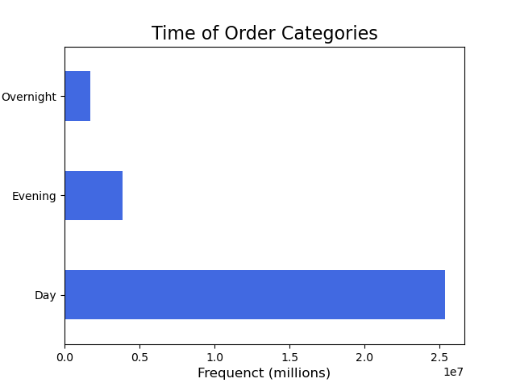
 |  |  |  |  | Day: 8:00am to 6:59pm
 |  |  |  |  | Evening: 7:00pm to 11:59pm
 |  |  |  |  | Overnight/Early Morning: 12:00am to 7:59am

3. What are the price range groupings for Instacart products?

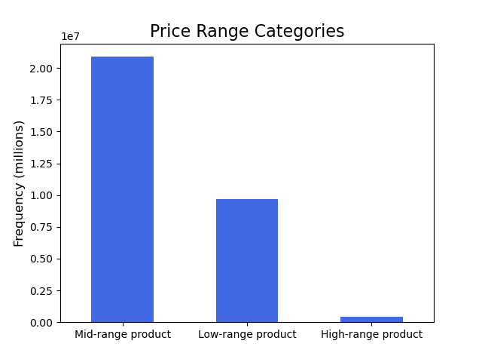

OBSERVATION: The overwhelming majority of products are in the mid-range and low-range categories. The very small number of products in the high-range category from the meat/seafood
department with a much smaller number from the dairy and pantry departments.

4. Are certain types of products more popular than others? Which departments have the highest frequency of product orders?

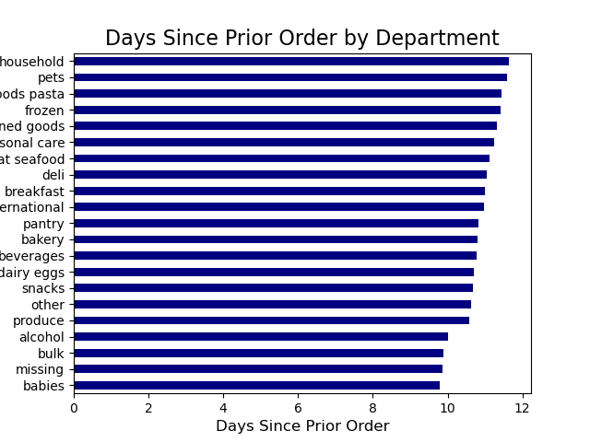

 |  |  |  | Department Days Since Last Order
 |  |  |  | babies 9.780844
 |  |  |  | missing 9.869551
 |  |  |  | bulk 9.880211
 |  |  |  | alcohol 10.006658
 |  |  |  | produce 10.574119
 |  |  |  | other 10.624647
 |  |  |  | snacks 10.671110
 |  |  |  | dairy eggs 10.709201
 |  |  |  | beverages 10.768469
 |  |  |  | bakery 10.808401
 |  |  |  | pantry 10.835976
 |  |  |  | international 10.963731
 |  |  |  | breakfast 11.001313
 |  |  |  | deli 11.051389
 |  |  |  | meat seafood 11.123647
 |  |  |  | personal care 11.256240
 |  |  |  | canned goods 11.316872
 |  |  |  | frozen 11.413880
 |  |  |  | dry goods pasta 11.440362
 |  |  |  | pets 11.593531
 |  |  |  | household 11.649305

OBSERVATION: The most frequently ordered products are from the departments babies, bulk, and alcohol. All are ordered at a frequency ofevery 10 days or less.
Note that products with department unknown (missing) are also among the most frequently ordered.

5a. What’s the distribution among users in regards to their brand loyalty (i.e., how often do they return to Instacart)?

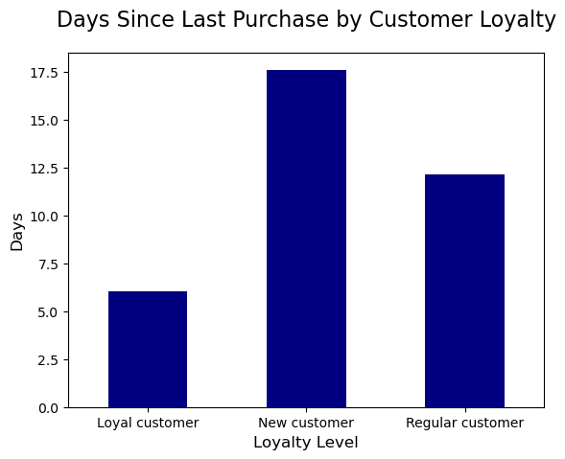

OBSERVATION: Loyal Customers order from the platform much more frequently, every 6.0 days compared to 12.1 days for Regular Customers and 17.6 days for New Customers.

5b. What are the differences in ordering habits based on a customer’s loyalty status?

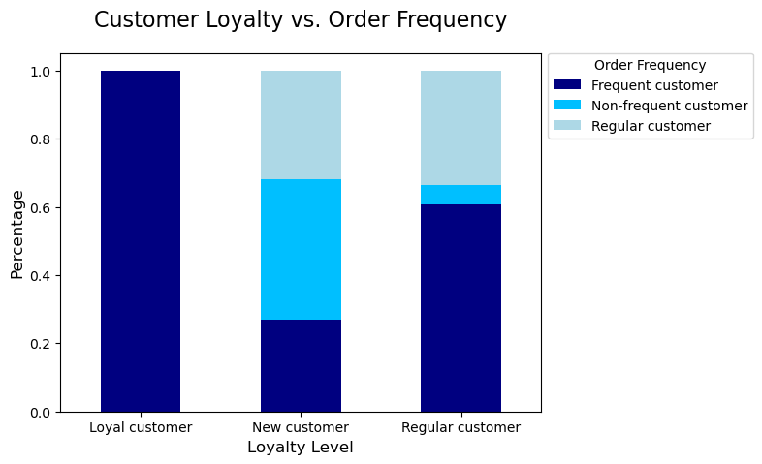

 |  |  |  |  |  | loyalty_flag | Frequent customer | Non-frequent customer | Regular customer
 |  |  |  |  |  | Loyal customer | 99.96% | 0.00% | 0.04%
 |  |  |  |  |  | New customer | 26.92% | 41.29% | 31.79%
 |  |  |  |  |  | Regular customer | 60.66% | 5.74% | 33.60%

OBSERVATION: Customers with a higher loyalty level order more frequently. 99.96% of all Loyal Customers are Frequent Customers. For Regular Customers, only 60.6% are Frequent Customers.
It drops down to 26.9% for New Customers.

5c. What are the differences in ordering habits based on a customer’s region?

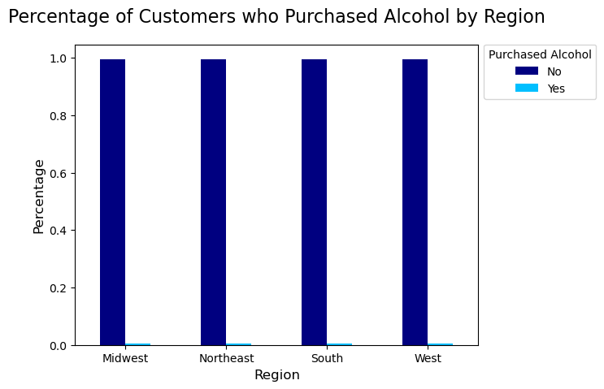
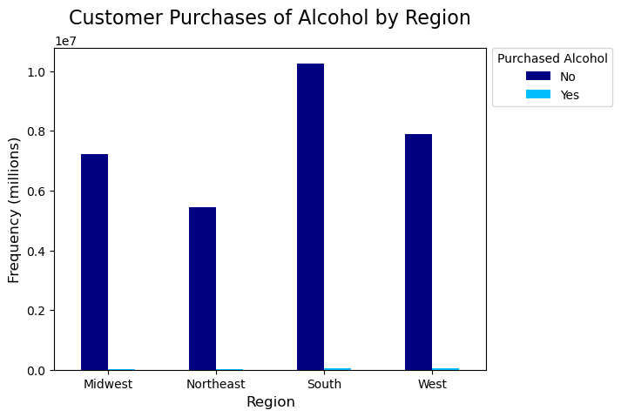

OBSERVATION: The south region purchased the most alcohol. The percentage of customers who have purchased alcohol is consistently approx. 0.5% across all four regions, while 99.5% of
customers have not purchased alcohol.

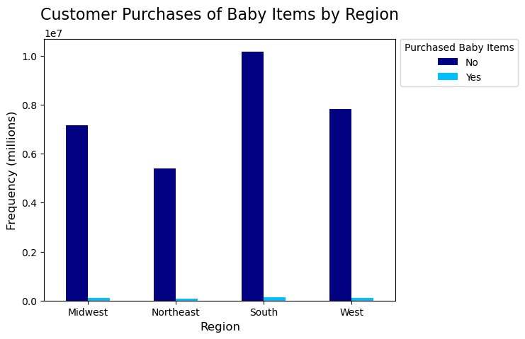
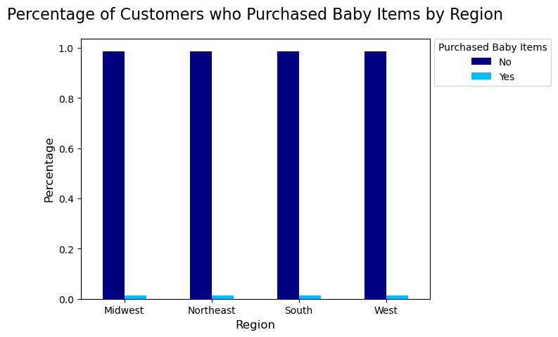

OBSERVATION: The south region has the most customers that purchased baby related items. The percentage of customers who purchased baby related items is consistently
approx. 1.3% across all four regions.


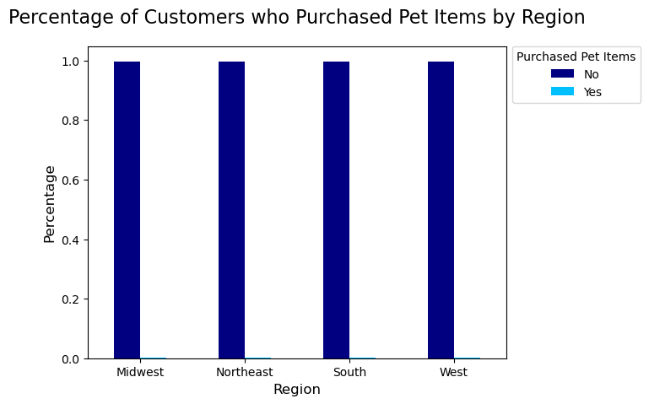

OBSERVATION: The south region has the most customers that purchased pet related items. The percentage of customers that purchased pet related items is consistently
approx. 0.3% across all four regions.

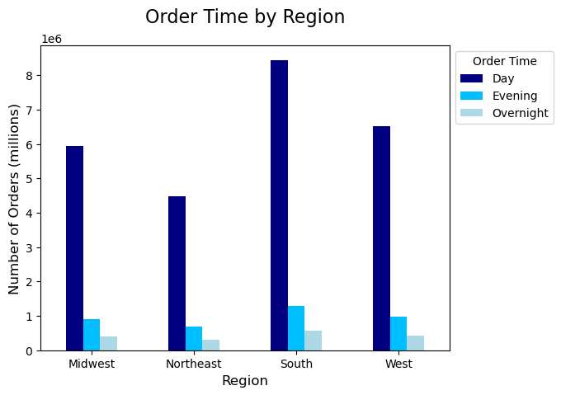
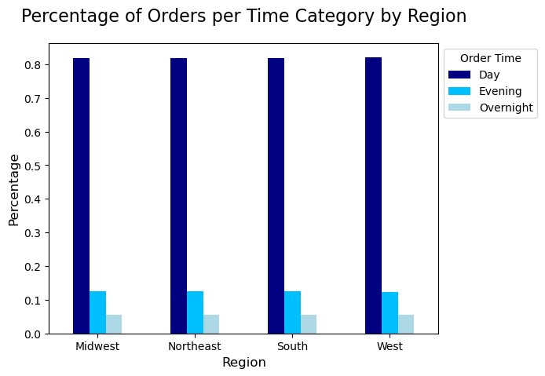

OBSERVATION: Most orders are placed during the Day time across all regions followed by Evening and then Overnight/Early Morning. The proportions of the three categories are consistient
across all regions, 82% during the day, 12.5% in the evening, and 5.5% overnight.

5d. Is there a connection between age and family status in terms of ordering habits?

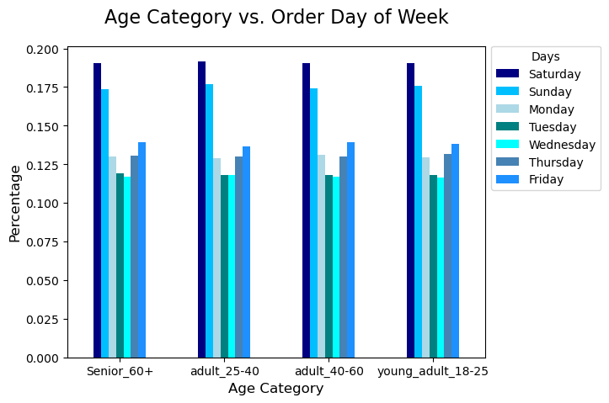

OBSERVATION: Across all age categories, Saturday is consistiently the day with the most orders with just over 19%. Wednesday and Tuesday are the days with the fewest orders
with just under 12% for both days

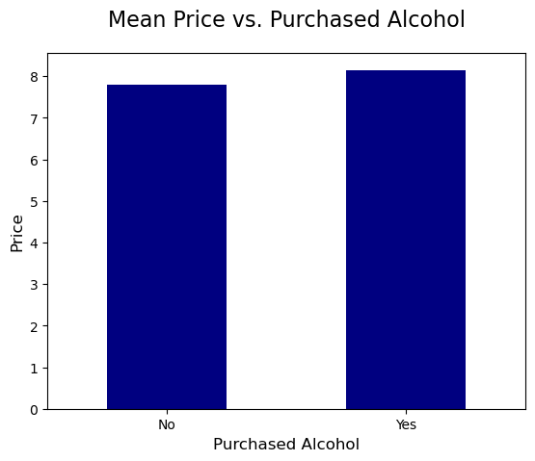
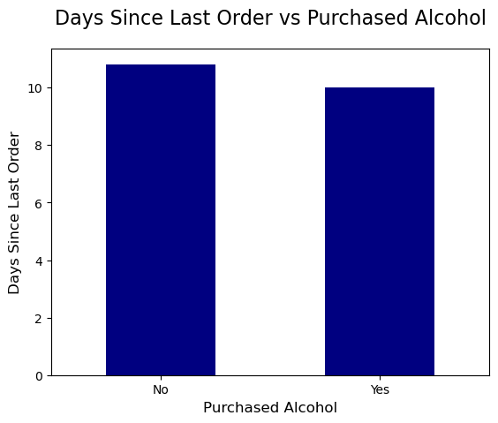

OBSERVATION: Alcohol purchasers have a higher mean purchase price and order more frequently than non alcohol purchasers.

5e. What different classifications does the demographic information suggest? Age? Income? Certain types of goods? Family status?
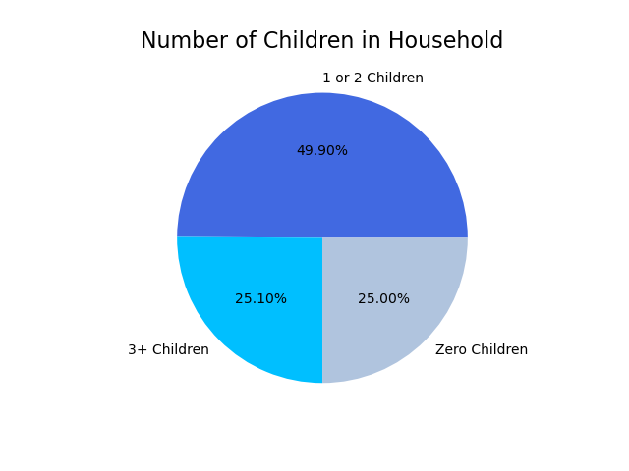
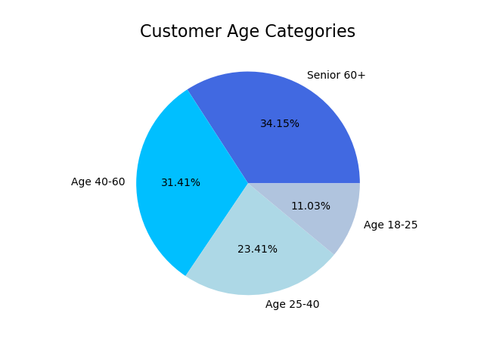
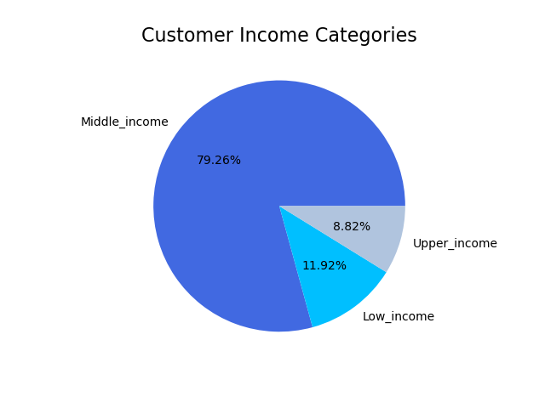



OBSERVATION: The scatter plot shows that older customers, specifically those over age 40, are likely to have higher incomes.

5f. What differences can you find in ordering habits of different customer profiles?

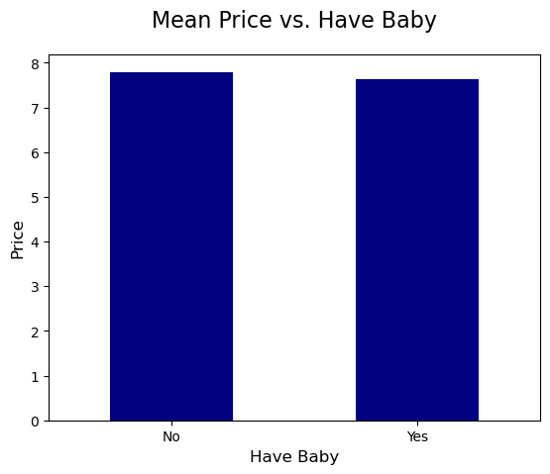
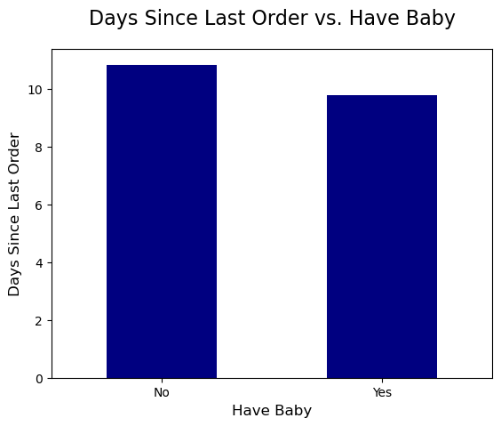

Customers who order baby related items spend slightly less per item. |  |  |  | Customers who order baby related items place orders more frequeintly by almost one full day.

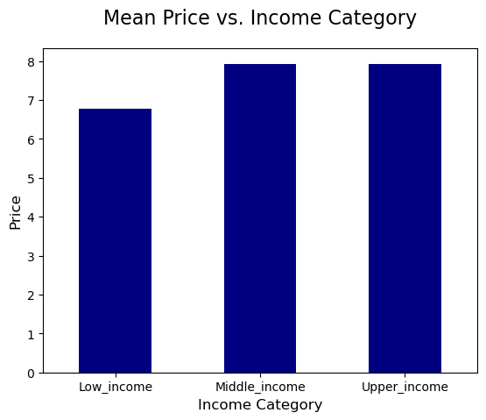
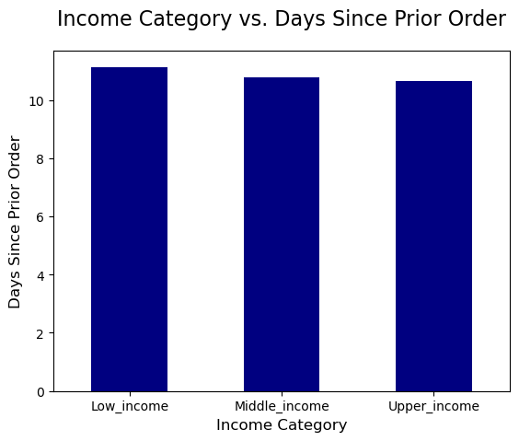

The lower income category spends less than the other two categories which are nearly equal. |  |  |  | The lower income category order slightly less frequently than the other two categories which are nearly equal.

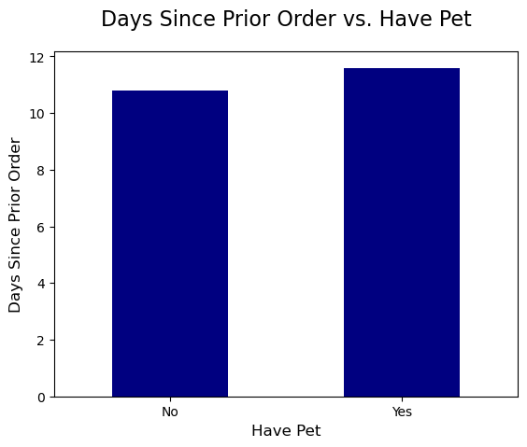

Customers with pets order slightly less frequently than customers who do not have pets.

Departments Across Income Categories
Department | Low_income | Middle_income | Upper_income
alcohol | 0.52% | 0.44% | 0.68%
babies | 0.92% | 1.38% | 1.36%
bakery | 3.20% | 3.65% | 3.90%
beverages | 11.19% | 7.89% | 8.14%
breakfast | 2.69% | 2.09% | 2.11%
bulk | 0.14% | 0.11% | 0.09%
canned goods | 2.40% | 3.38% | 3.43%
dairy eggs | 15.04% | 16.95% | 16.95%
deli | 3.16% | 3.25% | 3.25%
dry goods pasta | 1.97% | 2.75% | 2.76%
frozen | 6.42% | 6.89% | 7.14%
household | 2.56% | 2.20% | 2.43%
international | 0.65% | 0.85% | 0.85%
meat seafood | 1.07% | 2.33% | 2.36%
missing | 0.20% | 0.21% | 0.21%
other | 0.11% | 0.11% | 0.12%
pantry | 4.98% | 5.85% | 5.97%
personal care | 1.41% | 1.36% | 1.39%
pets | 0.26% | 0.30% | 0.35%
produce | 24.89% | 30.06% | 28.72%
snacks | 16.23% | 7.96% | 7.83%

The breakdown of the spending of income categories across departments is most interesting when considered based on the percentage that each income category spends in each department:
Across most departments, customers from all three income categories spend similar percentages of their total amout spent.
Customers in the low income category spend twice as much on snacks (16%) compated to middle and upper income (both approx. 8%)
Customers in the low income category more on beverages (11%) compated to middle and upper income (both approx. 8%)
Customers in the low income category less than half as much on on meat/seafood (1%) compated to middle and upper income (both approx. 2.3%)
Customers in the Middle income category spend more on produce (30%) than both upper income (28.7%) and low income (24.8%)

7. Recommendations
 |  | Title page

Recommendations

Key Question 1 | What are the busiest days of the week and hours of the day, (i.e., the days and times with the most orders) in order to schedule ads at times when there are fewer orders.

Answer | Most orders are placed on weekends (Sat, Sun, then Fri). The fewest orders are placed on Wednesday and Tuesday. Most orders are placed in the late morning (10:00am) through early afternoon (3:00pm)

 | Recommendation: Target ads to customers that would encourage them to place orders on Tuesday and Wednesday. Target ads specifically in the evening, after work for example, a time when fewer orders are placed

Key Question 2 | 2. At what time of day do customers spend the most money?

Answer | Customers purchase the most expensive items during the 4:00am hour. Secondary to that are 3:00am, 6:00am, 7:00am and 10:00pm.
 | However, this should not be interpreted as the time when customers spend the most money. All of these times have a low or very low volume of orders. See Time of Order Categories plot.
 | The most money is spent during the day, 8:00am to 6:59pm when order volume is high, even though the average price per item is lower than some other times

 | Recommendation: Identify the demographic that is ordering relatively more expensive items during low volume hours. Confirm the items being ordered are in the meat/seafood department.

Key Question 3 | What are the price range groupings for Instacart products?

Answer | The overwhelming majority of products are in the mid-range and low-range categories. The very small number of products in the high-range category from the meat/seafood department with a
 | much smaller number from the dairy and pantry departments.

 | Recommendation: Instacart offers a very small number of products in the high-range, > $15, category. They should consider increasing the number and variety of products in this category.

Key Question 4 | Are certain types of products more popular than others? Which departments have the highest frequency of product orders?

Answer | The most frequently ordered products are from the departments babies, bulk, and alcohol. All are ordered at a frequency of every 10 days or less.
 | Note that products with department unknown (missing) are also among the most frequently ordered.

 | Recommendation: Focus on items that are ordered less frequently such as household and personal care and specifically higher priced items such as those in the meat/seafood department. Push advertising
 | and incentives to encourage the purchase of those items.

Key Question 5 | What’s the distribution among users in regards to their brand loyalty (i.e., how often do they return to Instacart)?

Answer | Loyal Customers order from the platform much more frequently, every 6.0 days compared to 12.1 days for Regular Customers and 17.6 days for New Customers.

 | Recommendation: Create a loyalty program to incentivize customers to order more frequently. For example, focus on new customers and offer reduced price or free delivery if they place their next
 | order within ten days.

Key Question 6 | What are the differences in ordering habits based on a customer’s loyalty status?

Answer | Customers with a higher loyalty level order more frequently. 99.96% of all Loyal Customers are Frequent Customers. For Regular Customers, only 60.6% are Frequent Customers.

 | Recommendation: This would further imply that order frequency is one of the keys to or goes hand-in-had with customer loyalty. Instacart should push advertising to encourage re-ordering of
 | previously purchased items on a regular schedule.

Key Question 7 | What differences can you find in ordering habits of different customer profiles?

Answer | Across most departments, customers from all three income categories spend similar percentages of their total amount spent. See exceptions below:

 | Customers in the low income category spend twice as much on snacks (16%) compared to middle and upper income (both approx. 8%)
 | Customers in the low income category more on beverages (11%) compared to middle and upper income (both approx. 8%)
 | Customers in the low income category less than half as much on meat/seafood (1%) compared to middle and upper income (both approx. 2.3%)
 | Customers in the Middle income category spend more on produce (30%) than both upper income (28.7%) and low income (24.8%)

 | Recommendation: The goal is to encourage more overall spending, not just to shift spending from one department to another. Entice middle and upper income customers to spend more on snacks
 | and beverages, perhaps by advertising higher quality offerings. Target advertising toward the lower income group to purchase more produce, for example and advertising campaign focusing on eating healthier.

